AN.000235
dcr
DATE | 2025-07-29 |  |  | WASH:CODE |  | AN-000235
FINISHER:CODE |  |  |  |  |  | DRYPROCESS.AND WET PROCES
MODEL:CODE | 771855
SAP CODE | ANWN89100
FABRIC MILL:CODE | DNM:MARLEY SLLVERGREY
QUANTITY | 2 PCS
ROLL:CODE | ROLL:714445
FAB. WEIGHT
UNITS
TYPE MACHINE
DRYING TIME (Min.) :
COMMENTS:
 | ICE
PAGE | FREE.DEVELOPMENT |  |  | WASH:SUPERVISOR:ATIF HOSSAM
 | E | of | 1 |  |  |  | Supplier | PH Value
ACTION | TIME | TEMP | Liters | AMT | UNITS | Chemicals
HAND SAND

DESIZE |  | 50 |  | 1 | GRM | LAVA SPERSE
 |  |  |  | 2 | GRM | ROLUX LSA
 |  |  |  | 2 | GRM | ALPHA AMYLASE-LAVA ZYME AEN 01
RINSE X3 | 3 | RT |  | 1 | GRM | LUBRICANT

PROCESS LASER AKTIVATOR | 5 |  |  |  | GRM | NEAR BOOSTER NY. %15
DRAIN&OPEN | 5 |  |  |  | GRM | WATER %85
FULL EXTRACT
FULL DRY 60 C
LASER.WHISKER
LASER HANSAD

RINSE X2 | 2 | 50
DRAIN | 1

WATER FREE ENZYME WASHING |  |  |  | 15 | GRM | ASUCELL WF
 |  |  |  | 150 | GRM | ASU WASH BOOSTER
RINSE X1 | 1 | 50
DRAIN | 1

WATER FREE ENZYME WASHING |  |  |  | 15 | GRM | ASUCELL WF
 |  |  |  | 150 | GRM | ASU WASH BOOSTER
RINSE | 2 | RT

CLEAN UP |  | 50 |  |  | GRM | NEAR CAND OP EXTRA
RINSE X3 | 2 | RT |  |  | GRM | PEROXIDE
EXTRACT&DRY
GRINDING
HYPO/PP SPRAY |  |  |  | 5 | GRM | PERMENGANATE
 |  |  |  | 200 | GRM | HYPO
 |  |  |  | 800 | GRM | WATER
RINSE X1
2 MUNITES EXTRACT | MON WASH POWDER
 |  |  |  |  | GRM | KKT POWDER
 |  |  |  |  | GRM | ASUMAGIC 225

NEUTRALIZATION | 5 | 50 |  |  | GRM | ROYACTIVEX KS
RINSE X3 | 2 | RT |  |  | GRM | NEAR CAND OP EXTRA

BIOPOLISHING |  | 55 |  |  | GRM | LAVA CELL BNG
 |  |  |  |  | GRM | A.ACID. PH/55
RINSE | 2 | RT
 |  | ON SAME BATH |  |  |  | PH/4,5/5
SOFT |  | RT |  |  | K/G | ANTI OZON SOFT
EXTRACT & DRYER |  |  |  |  | GRM | A.ACID

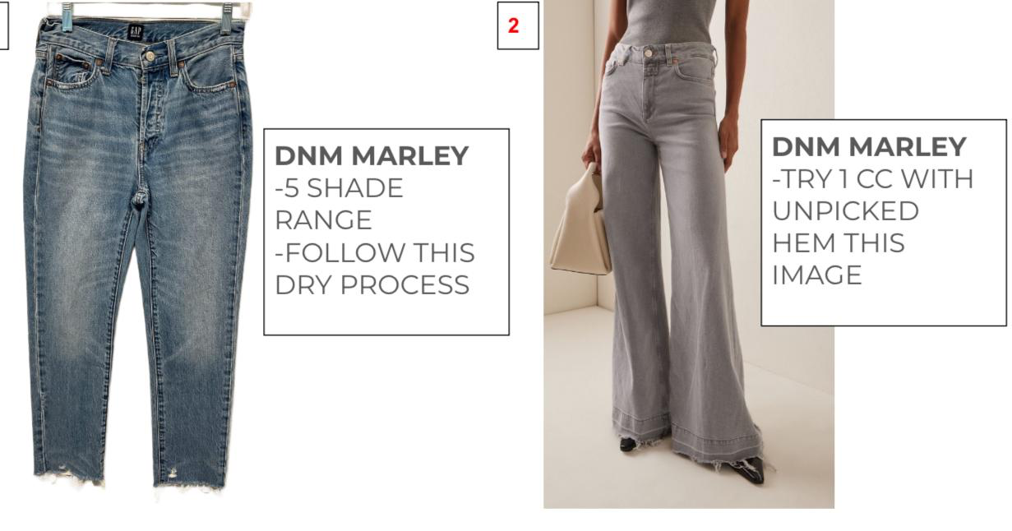
DAMAGE

